Summary and Charts
Statistics | Charts | Trades | Formula | Settings | Symbols | Monte Carlo |  |  |  | 1. Portfolio Equity

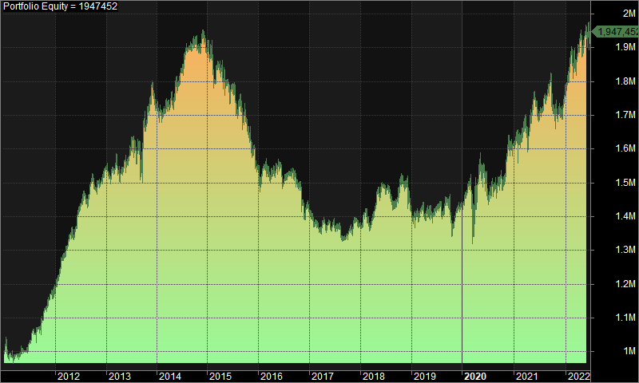
Statistics
 | All trades | Long trades | Short trades
Initial capital | 1000000 | 1000000 | 1000000
Ending capital | 1947451.91 | 1000000 | 1947451.91
Net Profit | 947451.91 | 0 | 947451.91
Net Profit % | 94.75% | 0.00% | 94.75%
Exposure % | 2.27% | 0.00% | 2.27%
Net Risk Adjusted Return % | 4170.22% | N/A | 4170.22%
Annual Return % | 5.97% | 0.00% | 5.97%
Risk Adjusted Return % | 262.74% | N/A | 262.74%
Total transaction costs | 1136387.04 | 0 | 1136387.04

All trades | 1833 | 0 (0.00 %) | 1833 (100.00 %)
Avg. Profit/Loss | 516.89 | N/A | 516.89
Avg. Profit/Loss % | 2.70% | N/A | 2.70%
Avg. Bars Held | 106.29 | N/A | 106.29

Winners | 797 (43.48 %) | 0 (0.00 %) | 797 (43.48 %)
Total Profit | 8146113.94 | 0 | 8146113.94
Avg. Profit | 10220.97 | N/A | 10220.97
Avg. Profit % | 37.89% | N/A | 37.89%
Avg. Bars Held | 167.52 | N/A | 167.52
Max. Consecutive | 8 | 0 | 8
Largest win | 83140.79 | 0 | 83140.79
# bars in largest win | 304 | 0 | 304 | 2. Underwater Equity

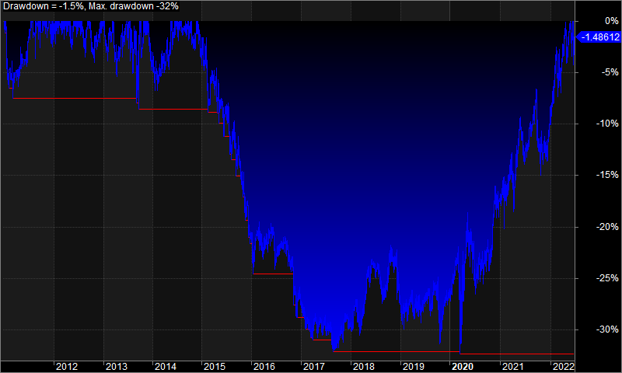
Losers | 1036 (56.52 %) | 0 (0.00 %) | 1036 (56.52 %)
Total Loss | -7198662.02 | 0 | -7198662.02
Avg. Loss | -6948.52 | N/A | -6948.52
Avg. Loss % | -24.36% | N/A | -24.36%
Avg. Bars Held | 59.19 | N/A | 59.19
Max. Consecutive | 12 | 0 | 12
Largest loss | -77320.24 | 0 | -77320.24
# bars in largest loss | 112 | 0 | 112

Max. trade drawdown | -91515.95 | 0 | -91515.95
Max. trade % drawdown | -99.32 | 0 | -99.32
Max. system drawdown | -632278.16 | 0 | -632278.16
Max. system % drawdown | -32.37% | 0.00% | -32.37%
Recovery Factor | 1.5 | N/A | 1.5
CAR/MaxDD | 0.18 | N/A | 0.18
RAR/MaxDD | 8.12 | N/A | 8.12
Profit Factor | 1.13 | N/A | 1.13
Payoff Ratio | 1.47 | N/A | 1.47
Standard Error | 207728.06 | 0 | 207728.06
Risk-Reward Ratio | 0.12 | N/A | 0.12
Ulcer Index | 17.97 | 0 | 17.97
Ulcer Performance Index | 0.03 | N/A | 0.03
Sharpe Ratio of trades | 0.87 | 0 | 0.87
K-Ratio | 0 | N/A | 0
 |  |  |  | 3. Profit Table

 |  |  |  | Year | Jan | Feb | Mar | Apr | May | Jun | Jul | Aug | Sep | Oct | Nov | Dec | Yr%
 |  |  |  | 2011 | -1.30% | 0.00% | 0.60% | -0.10% | 1.20% | 2.30% | 3.80% | 0.50% | 2.10% | 3.50% | 3.40% | 1.40% | 18.60%
 |  |  |  | 2012 | 2.30% | 5.50% | 2.80% | 2.20% | 1.90% | 4.10% | 1.80% | 0.60% | 4.40% | -2.40% | 1.30% | 2.40% | 30.10%
 |  |  |  | 2013 | -1.30% | 0.30% | 0.00% | 0.80% | 1.00% | 2.50% | 1.10% | -1.10% | 5.00% | 2.90% | 3.80% | -3.60% | 11.80%
 |  |  |  | 2014 | -0.80% | 0.00% | 0.20% | 1.00% | 2.20% | 3.30% | 3.80% | 0.30% | 0.50% | -0.50% | 1.20% | -1.80% | 9.70%
 |  |  |  | 2015 | 0.30% | -5.40% | 2.80% | -3.00% | 0.70% | -1.10% | -3.80% | 0.70% | -1.10% | -3.70% | -3.80% | -2.60% | -18.50%
 |  |  |  | 2016 | -1.30% | 0.30% | -0.90% | 1.30% | 1.30% | -3.50% | 1.80% | 0.10% | -1.40% | -0.20% | -6.70% | 1.80% | -7.30%
 |  |  |  | 2017 | -2.40% | -1.70% | -0.40% | 0.60% | 0.70% | -0.40% | -0.50% | -3.00% | 1.40% | 1.60% | 1.10% | -0.70% | -3.60%
 |  |  |  | 2018 | 1.50% | 0.10% | -0.40% | 4.80% | 1.80% | -0.90% | -0.90% | -2.10% | 2.50% | 2.60% | 0.40% | -5.60% | 3.40%
 |  |  |  | 2019 | -2.20% | 1.00% | 2.40% | -2.60% | -1.00% | 2.90% | 0.90% | 0.30% | -1.10% | -3.50% | 2.50% | 1.90% | 1.10%
 |  |  |  | 2020 | 1.80% | 3.20% | -5.90% | 6.10% | 1.80% | -2.10% | -2.00% | 0.80% | 0.80% | 1.40% | 5.50% | 0.70% | 12.20%
 |  |  |  | 2021 | 0.90% | 1.10% | 1.60% | 0.30% | 5.00% | -4.20% | 1.60% | 3.00% | -1.00% | -0.60% | -1.00% | 2.20% | 8.80%
 |  |  |  | 2022 | 3.20% | 1.30% | 2.40% | 3.10% | 1.40% | -1.00% | N/A | N/A | N/A | N/A | N/A | N/A | 10.80%
 |  |  |  | Avg | 0.10% | 0.50% | 0.40% | 1.20% | 1.50% | 0.10% | 0.70% | 0.00% | 1.10% | 0.10% | 0.70% | -0.40%

